12 DEC
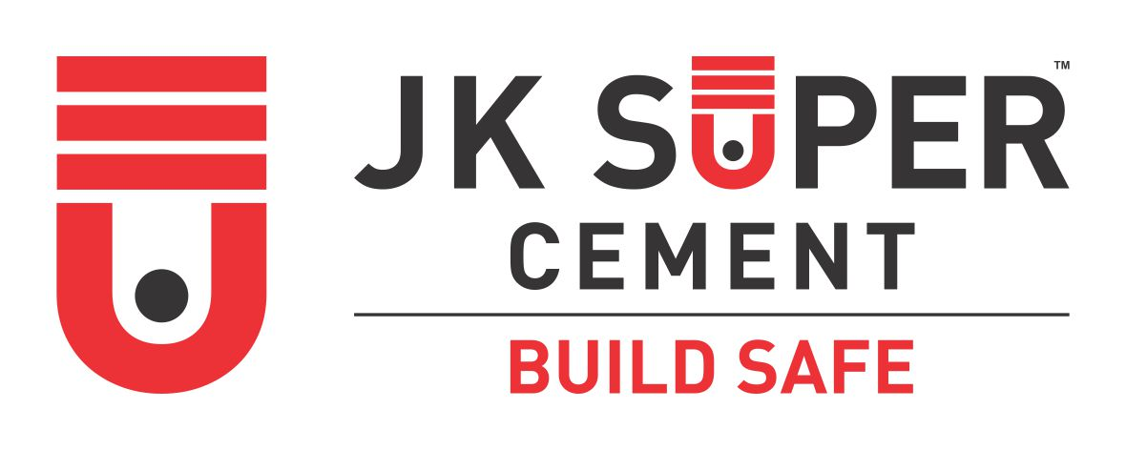

CUSTOMER TECHNICAL SERVICES
J.K. CEMENT LTD

EVENT ATTENDANCE RECORD

Date of Event: | 12/12/2022 |  |  |  | Counter Name : PRIYA ENTERPRISES
Event Name: | SGM COUNTER |  |  |  | Place of Event : DHOLPUR
CTS Name: | MANOJ SHARMA |  |  |  | Martketing Executive : KRISHNA GAVHANE
Gift Item: | BLANKET |  |  |  | 12/12/2022
S.No | Name of Invitee | Contact No | JK User (Y/N) | Preffered Brand | Registered in Shoorveer (Y/N) | Food & Arrangement Score (1- 5) | Training Score (1-5) | Gift Score (1-5) | Remarks
1 | Sanjay | 8529625640 | Y | JK SUPER | Y | 4 | 5 | 5
2 | Gendalal | 9672561752 | Y | JK SUPER | Y | 4 | 5 | 5
3 | Bhuri singh | 9694161903 | Y | BANGUR | Y | 4 | 5 | 5
4 | Santosh | 9785606525 | Y | JK SUPER | Y | 4 | 5 | 5
5 | Mahesh | 7014610853 | Y | JK SUPER | Y | 4 | 5 | 5
6 | Laxminarayan | 8058155190 | N | ULTRATECH | Y | 4 | 5 | 5
7 | Ramvilas | 9694749368 | Y | JK SUPER | Y | 4 | 5 | 5
8 | Satyaveer | 7878604058 | Y | ULTRATECH | Y | 4 | 5 | 5
9 | Kailashi | 9929730970 | Y | SHREE | Y | 4 | 5 | 5
10 | Dheeru | 8824732766 | Y | WONDER | Y | 4 | 5 | 5
11 | Kedar singh | 9799771130 | Y | JK SUPER | Y | 4 | 5 | 5
12 | Khajan | 9784956319 | N | WONDER | Y | 4 | 5 | 5

 | Signature of Technical Officer |  |  | Signature of Marketing Executive |  |  |  |  | Signature & Stamp of Dealer

